Sheet1
UAT for Flow
Date | 15-Apr-20

Tester Category | Common |  |  | *) Categories your test subject here

Elements | Screenshot | Actions | Tested | Notes on Layout
Navigation Menu bar: Home | 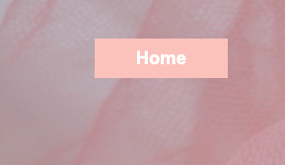 | 1. klik button-> refresh halaman depan | 1. OK
 |  | 2. Muncul kotak saat akan di klik | 2. OK

Navigation Menu bar: Collection | 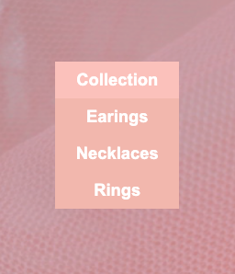 | 1. Klik collection -> keluar menu drop dowm | 1. OK
 |  | 2. Earrings -> refresh ke koleksi earrings | 2. OK
 |  | 3. Necklaces -> refresh ke koleksi necklaces | 3, OK
 |  | 4. Rings -> refresh ke koleksi Rings | 4.OK

Navigation Menu bar: About us | 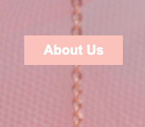 | 1. klik button-> refresh ke page tentang brand nya | 1. OK
 |  | 2. Muncul kotak saat akan di klik | 2. OK

Navigation Menu bar: Lookbook | 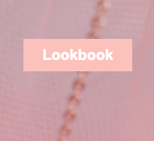 | 1. klik button -> refresh ke page koleksi foto | 1. OK
 |  | 2. Muncul kotak saat akan di klik | 2. OK

Shop collection button: Home | 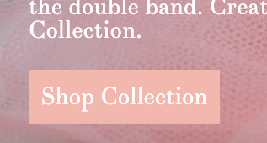 | 1. klik ->refresh ke page Necklaces collection | 1. OK

Shop collection button: Home | 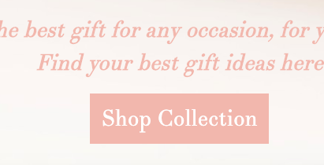 | 1. klik-> refresh ke page earrings collection | 1.OK

See more button: Home |  | 1. klik -> refresh ke page morganite earrings details | 1.OK

See more button: Home |  | 1. klik -> refresh ke page dots earrings details | 1.OK

See more button: Home | 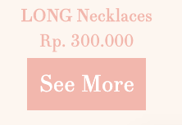 | 1. klik -> refresh ke page long necklaces details | 1.OK

See more button: earrings |  | 1. klik -> refresh ke page morganite earrings details | 1.OK

See more button: earrings |  | 1. klik -> refresh ke page dots earrings details | 1.OK

See more button: necklaces | 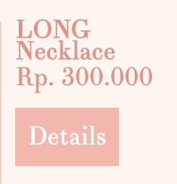 | 1. klik -> refresh ke page long necklace details | 1.OK

See more button: necklaces | 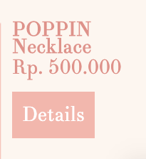 | 1. klik -> refresh ke page poppin necklace details | 1.OK

See more button: rings | 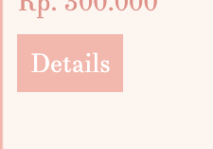 | 1. klik -> refresh ke page treewish rings details | 1.OK

See more button: rings | 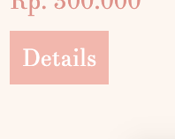 | 1. klik -> refresh ke page carnival rings details | 1.OK

right button: rings |  | 1. klik icon -> geser ke foto selanjutnya | 1.OK

left button: rings |  | 1. klik icon -> geser ke foto sebelumnya | 1.OK

